Sheet1
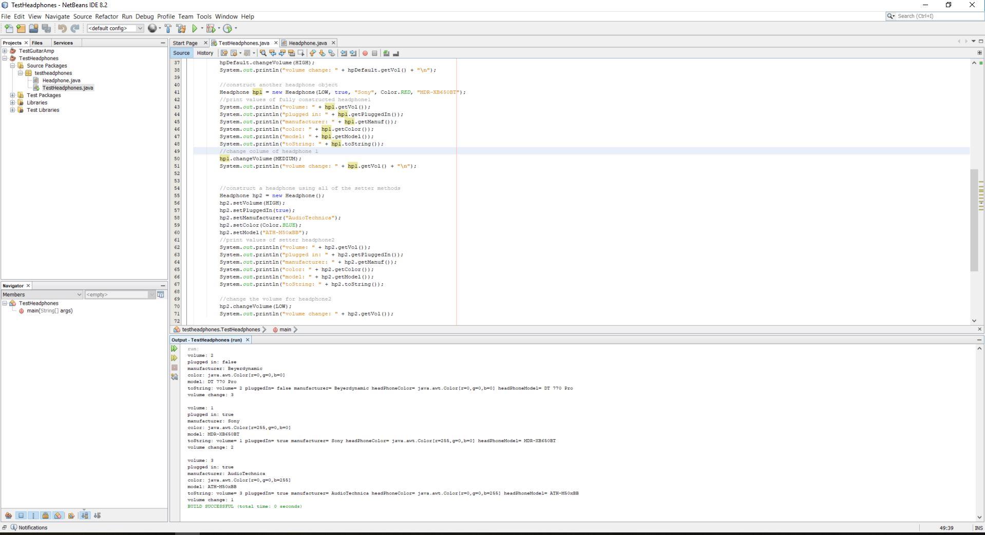
variables/methods | data set | Expected Output | Actual Output | Pass?

volume | MEDIUM | volume: 2 | volume: 2 | Yes
pluggedIn | FALSE | plugged in: false | plugged in: false | Yes
manufacturer | Beyerdynamic | manufacturer: Beyerdynamic | manufacturer: Beyerdynamic | Yes
headPhoneColor | BLACK | color: BLACK | color: BLACK | Yes
headPhoneModel | DT 770 PRO | model: DT 770 Pro | model: DT 770 Pro | Yes
toString | (all of the values above) | volume= 2 pluggedIn= false manufacturer= Beyerdynamic headPhoneColor=BLACK headPhoneModel= DT 770 Pro | volume= 2 pluggedIn= false manufacturer= Beyerdynamic headPhoneColor= java.awt.Color[r=0,g=0,b=0] headPhoneModel= DT 770 Pro | Yes
volume change | HIGH | volume change: 3 | volume change: 3 | Yes
 |  |  |  | Yes
 |  |  |  | Yes
 |  |  |  | Yes

volume | LOW | volume: 1 | volume: 1 | Yes
pluggedIn | TRUE | plugged in: true | plugged in: true | Yes
manufacturer | Sony | manufacturer: Sony | manufacturer: Sony | Yes
headPhoneColor | RED | color: RED | color: RED | Yes
headPhoneModel | MDR-XB650BT | model: MDR-XB650BT | model: MDR-XB650BT | Yes
toString | (all of the above) | volume= 1 pluggedIn= true manufacturer= Sony headPhoneColor= RED headPhoneModel= MDR-XB650BT | volume= 1 pluggedIn= true manufacturer= Sony headPhoneColor= java.awt.Color[r=255,g=0,b=0] headPhoneModel= MDR-XB650BT | Yes
volume change | MEDIUM | volume change: 2 | volume change: 2 | Yes
 |  |  |  | Yes
 |  |  |  | Yes
 |  |  |  | Yes

volume | HIGH | volume: 3 | volume: 3 | Yes
pluggedIn | TRUE | plugged in: true | plugged in: true | Yes
manufacturer | AudioTechnica | manufacturer: AudioTechnica | manufacturer: AudioTechnica | Yes
headPhoneColor | BLUE | color: BLUE | color: BLUE | Yes
headPhoneModel | ATH-M50xBB | model: ATH-M50xBB | model: ATH-M50xBB | Yes
toString | (all of the above) | volume= 3 pluggedIn= true manufacturer= AudioTechnica headPhoneColor=BLUE headPhoneModel= ATH-M50xBB | volume= 3 pluggedIn= true manufacturer= AudioTechnica headPhoneColor= java.awt.Color[r=0,g=0,b=255] headPhoneModel= ATH-M50xBB | Yes
volume change | LOW | volume change: 1 | volume change: 1 | Yes
 |  |  |  | Yes
 |  |  |  | Yes
 |  |  |  | Yes

